Map
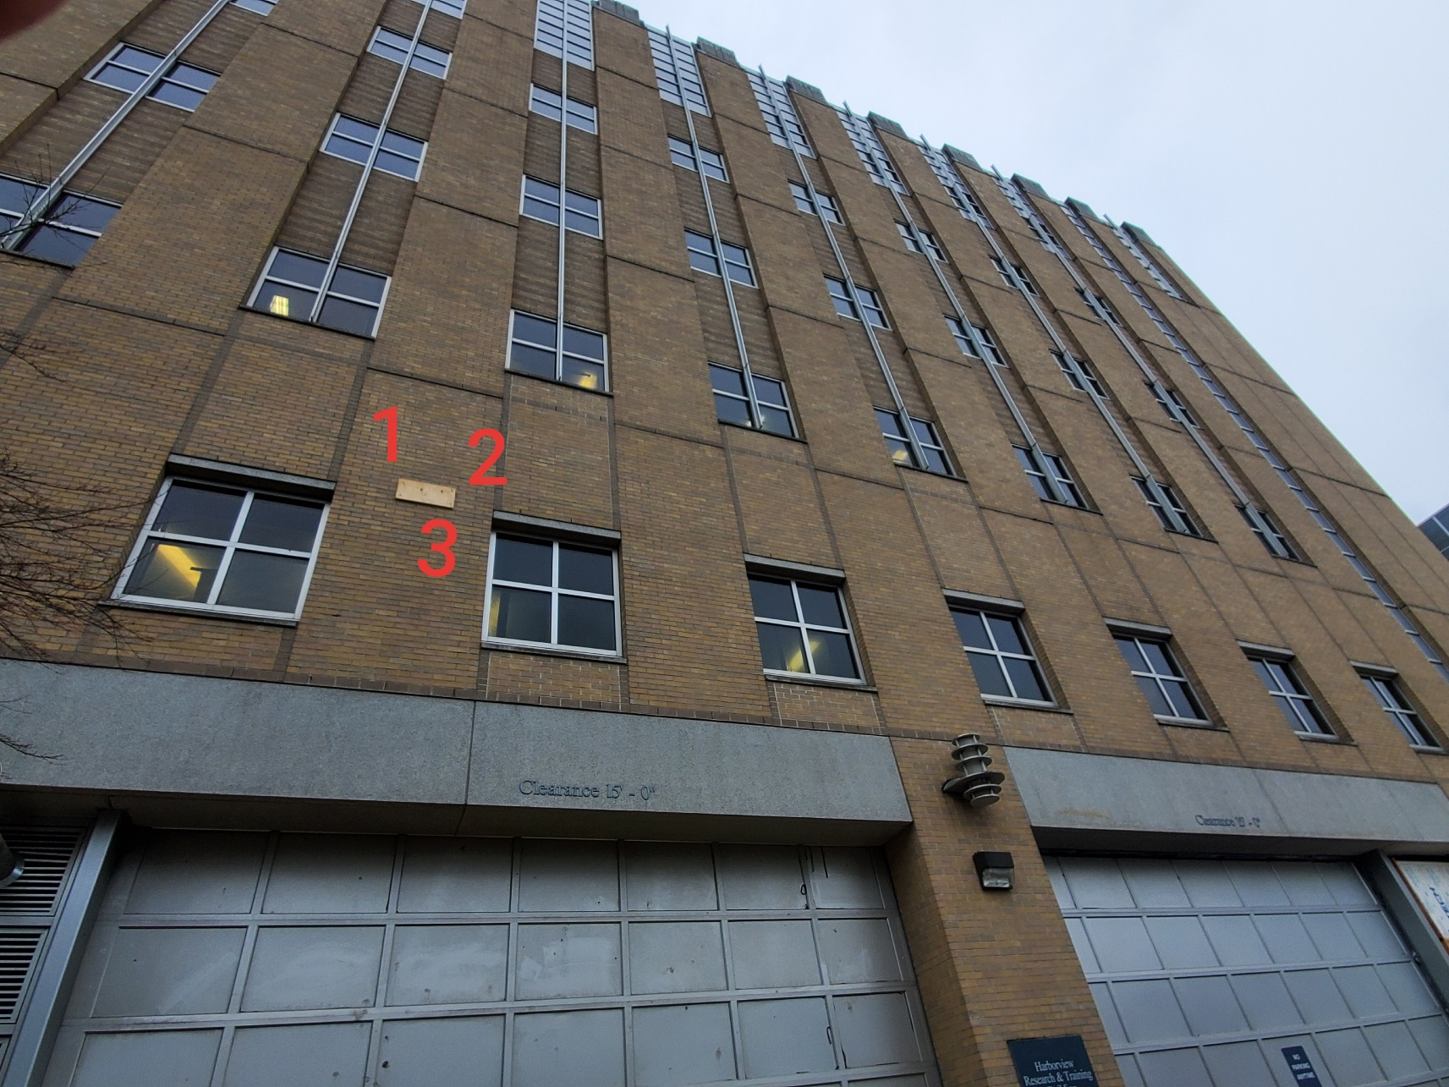

Survey No | INIS-010220-880
Date | 2020-01-02
Survey Tech | M. Renderos/D. Beckstrom
Count Room Tech | P. Ray
Date Counted | 2020-01-02
Survey Type | Characterization
Level of Posting | RCA
Comments

